Dalibnieku saraksts starta nr s
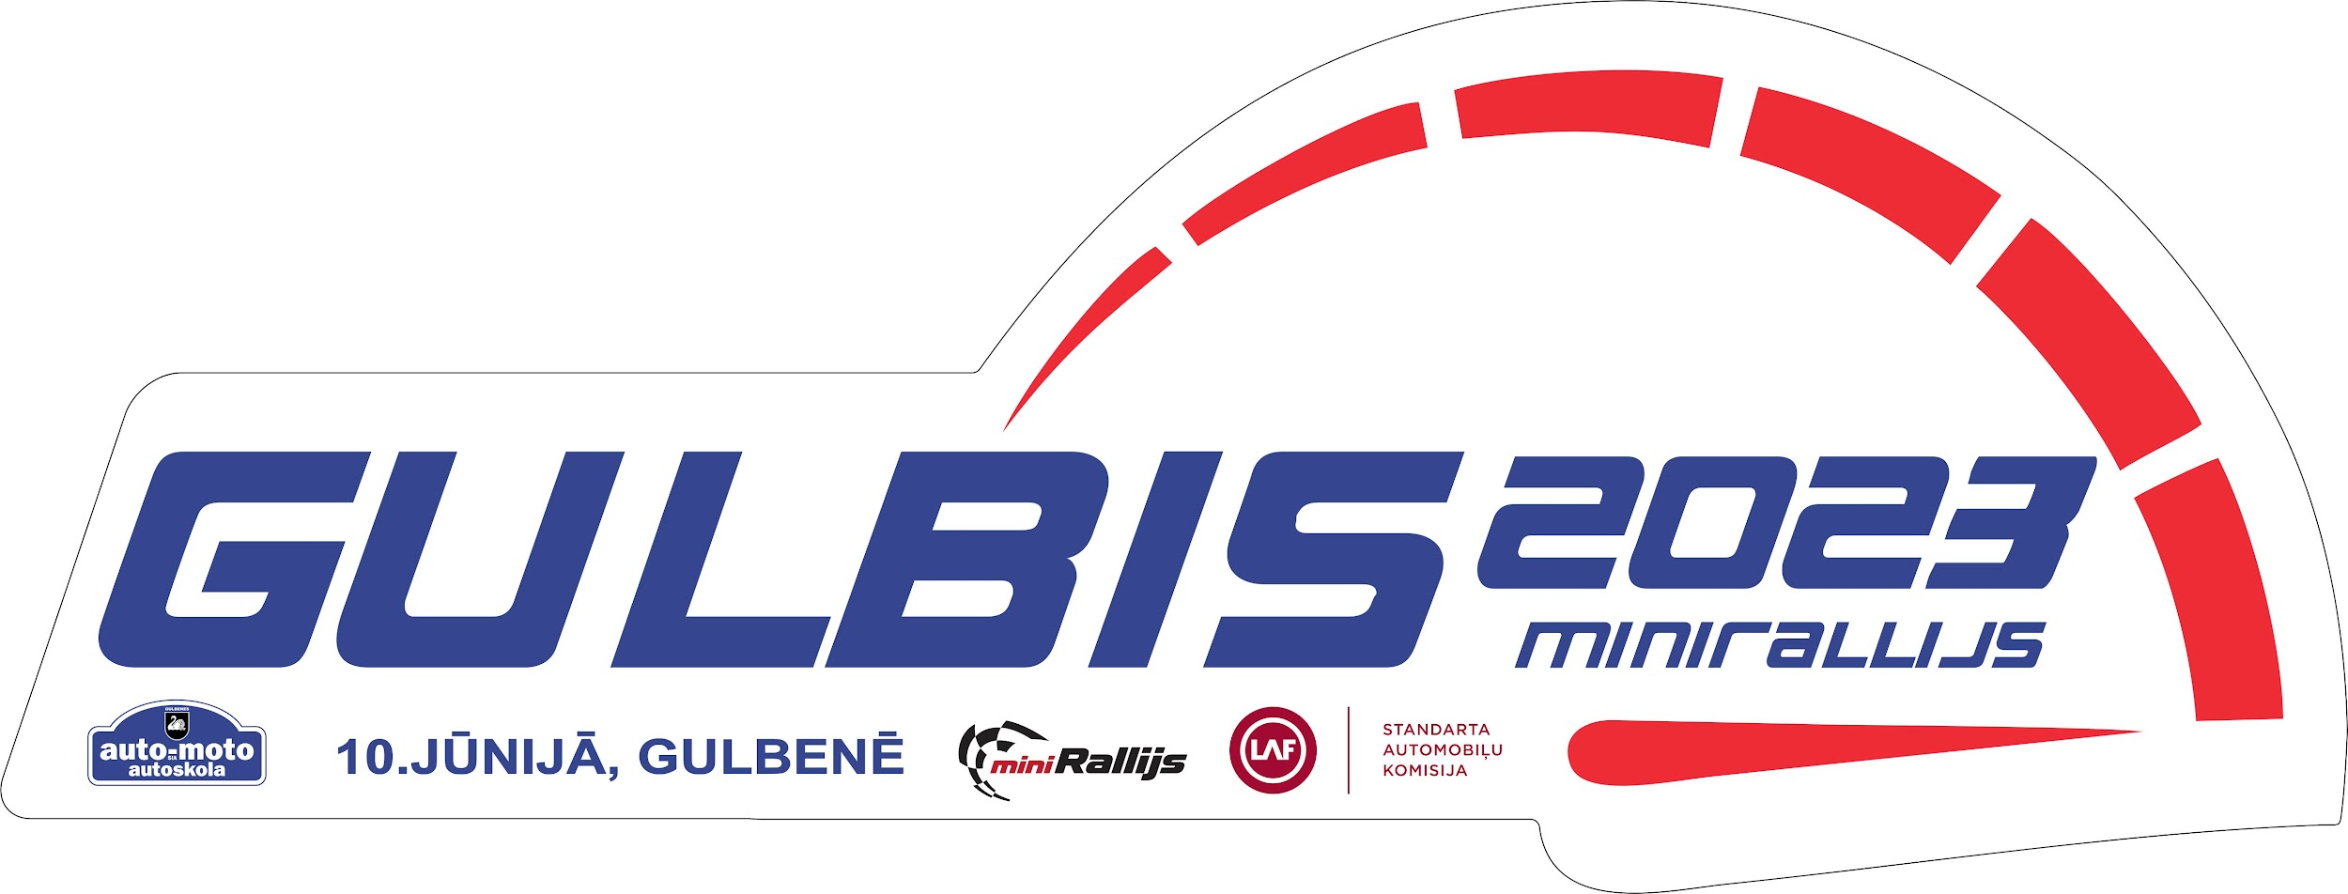

Dalībnieku saraksts starta numuru secībā

Starta nr | Pilots | Stūrmanis | Klase | Auto
1 | Roberts Veismanis | Pauls Gereišs | Buggy | Can-Am Maverick X3 XRS
2 | Rolands Puravs | Ingars Sakne | Buggy | Can-Am Maverick X3 XRS
3 | Rinalds Ranka | Jānis Vējiņš | Buggy | Can-Am Maverick X3
4 | Arturs Začests | Elvijs Roze | Buggy | Can-Am Maverick X3
5 | Mārtiņš Komisars | Mārtiņš Dravnieks | Buggy | Can-Am Maverick X3 XRS
6 | Andris Panins | Sergejs Kitajevs | Buggy | Can-Am Maverick X3 XRS Turbo RR
7 | Valters Burgmanis | Mikus Baltrums | Buggy | Can-Am Maverick X3
8 | Gatis Ritenieks | Fēlikss Laivenieks | Buggy | Can-Am Maverick X3 XRS
9 | Matias Nevalainen | Jarkko Miettinen | Juniors | Toyota Auris V1600
10 | Kristaps Priedīte | Aivis Bērziņš | 1600 | Opel Corsa
11 | Roberts Pudulis | Kristaps Bērziņš | 1600 | VW Golf mk2
12 | Jānis Jansons | Agnis Bērziņš | 1600 | Peugeot
14 | Modris Krieviņš | Maksims Bergs | 1600 | VAZ 2108-3
15 | Dāvis Lekstutis | Gvido Ozoliņš | 1600 | Citroen C2
16 | Kaspars Vaičiulēns | Daira Vaičiulēna | 1600 | Opel Astra
17 | Jānis Sloka | Jānis Beriņš | 1600 | Citroën C2
18 | Aivis Svētiņš | Mario Svētiņš | 1600 | VAZ 2106
19 | Raimonds Rozentāls | Aivars Saule | 1600 | Honda Civic
20 | Aigars Laurinovičs | Egons Ansbergs | 1600 | Citroen C2
21 | Reinis Trūps | Ēriks Kursišs | 2000 | Honda Civic Type-R
22 | Edgars Poriņš | Roberts Poriņš | 2000 | VW Golf
23 | Edgars Eltermanis | Arvīds Krastiņš | 2000 | Ford Escort
24 | Matīss Pļavenieks | Kristaps Kiršteins | 2000 | Ford Puma
25 | Oskars Pugovičs | Tenis Ševčenko | 2000 | Honda Civic Type-R
26 | Klāvs Ezeriņš | Ieva Namsone | 2000 | BMW
27 | Raimonds Ērglis | Mikus Martinsons | 2000 | Ford Focus
28 | Aigars Upītis | Andris Spilva | 2000 | Opel Astra
29 | Jaak Riisberg | Taavi Kivi | 2000 | BMW 318IS
30 | Elgars Širaks | Jānis Mezītis | 2000 | VW Corrado
31 | Raivo Ozoliņš | Edgars Trūps | 2000 | Honda CRX
32 | Renārs Lepiksons | Roberts Bēča | 2000 | Renault Clio
33 | Ģirts Vītiņš | Daniels Jānis Justs | 2WD | BMW
34 | Ralfs Sirmacis | Armands Bite | 2WD | BMW
35 | Gvido Rozenblūms | Indulis Kalniņš | 2WD | BMW
36 | Artis Punclavs | Aigars Tīdmanis | 2WD | BMW
37 | Oskars Kaņeps-Kalniņš | Dinārs Pilmanis | 2WD | BMW
38 | Kaspars Sloka | Oskars Sukurs | 2WD | BMW
39 | Viesturs Vilmuts | Toms Tipāns | 2WD | BMW
40 | Mārtiņš Larionovs | Ingus Ermansons | 2WD | BMW 323ti
41 | Kristaps Drozdovs | Edgars Dedumets | 2WD | BMW
42 | Gusts Pikša | Kristaps Pļaviņš | 2WD Rookie | BMW 328
43 | Toms Skulte | Dāvis Robežnieks | 2WD Rookie | BMW
44 | Inguss Andersons | Arturs Petrausks | 2WD Rookie | BMW
45 | Aigars Odziņš | Jurģis Balodis | 2WD Rookie | BMW
46 | Mārcis Stūriška | Atis Grīnbergs | 2WD Rookie | BMW
47 | Atvars Saliņš | Mārtiņš Balodis | 2WD Rookie | BMW 323ti
48 | Edvards Egle | Sabīne Strazdiņa | 2WD Rookie | BMW 318
49 | Artis Galdiks |  | 2WD Rookie | BMW
50 | Juhan Oks |  | 2WD Rookie | Toyota Corolla
51 | Edgars Ernšteins | Kristers Bērziņš | 2WD Rookie | BMW
52 | Edgars Pavlovs | Mikus Valdmanis | 2WD Rookie | BMW
53 | Andris Bērziņš | - | 2WD Rookie | Audi A4
54 | Mārtiņš Baunis | Mārtiņš Kapačs | 2WD Rookie | Peugeot
55 | Emīls Ozoliņš | Endijs Andris Zebuliņš | 2WD Rookie | BMW
56 | Artūrs Petruškins | Oskars Cibuļskis | 2WD Rookie | Audi A4
57 | Roberts Luža | Matīss Punte | 2WD Rookie | BMW
58 | Kristers Lazda | Raivis Ēriksons | 2WD Rookie | BMW
59 | Valters Spicbergs | Pauls Feodorovs | 2WD Rookie | BMW
60 | Niks Reinis Niklass | Adriana Nikola Žukova | 2WD Rookie | BMW
61 | Edgars Aleks Demešenkovs | Maira Kukle | 2WD Rookie | BMW
62 | Kristaps Virskulis | Andris Virskulis | 2WD Rookie | BMW
63 | Toms Zirnis | Jēkabs Jānis Brasavs | 2WD Rookie | BMW
64 | Reinis Bērze | Jānis Nitišs | 2WD Rookie | BMW
65 | Niks Ridžs Gibala | Mikus Krevics | 2WD Rookie | BMW
66 | Reinis Melngailis |  | 2WD Rookie | BMW
67 | Sandis Putniņš | Gundars Biezais | 2WD Rookie | BMW
68 | Valts Gailītis | Roberts Bērziņš | 2WD Rookie | Audi A4
69 | Kristaps Ābele | Helvijs Plaudis | 4WD | Subaru Impreza RS
70 | Ingus Kazulis | Klāvs Zambergs | 4WD | Audi A4
71 | Niks Kanders | Dita Elizabete Kandere | 4WD | Audi 80 quattro
72 | Gatis Ābelītis | Indulis Sloka | 4WD | Audi A4
73 | Atis Priedoliņš | Vilis Akmeņkalns | 4WD Rookie | Audi A4
74 | Jānis Lazdiņš | Vitālija Amelcenko | 4WD Rookie | Subaru Impreza
75 | Kristaps Rijkuris | Arturs Audze | 4WD Rookie | Subaru Impreza
76 | Ainis Mušperts | Kārlis Pētersons | 4WD Rookie | Audi 80
77 | Āris Cēders | Guntars Sokolovskis | 4WD Rookie | Subaru Impreza
78 | Juris Tonnis | Jānis Jankovs | 4WD Rookie | Subaru Impreza
79 | Ralfs Rutkovskis | Roberts Birnis | 4WD Rookie | Subaru Impreza
80 | Roberts Lapins | Gatis Roze | 4WD Rookie | Subaru Impreza
81 | Ģirts Kārkliņš | Jānis Miķelsons | 4WD Rookie | Audi A4 quattro
82 | Kristaps Rozenbahs | Ēriks Rozītis | 4WD Rookie | Audi A4 quattro
83 | Ernests Ozols | Emīls Ozols | 4WD Rookie | Audi A4
84 | Gatis Gedroics | Juris Šmits | 4WD Rookie | Mitsubishi Lancer Evo X
85 | Leonīds Pugo | Jānis Rozentāls | 4WD+ | Subaru Impreza
86 | Elmārs Aukšmuksts | Kaspars Bundzinieks | 4WD+ | Subaru Impreza
87 | Oskars Līdaks | Ričards Līdaks | 4WD+ | Subaru Impreza
88 | Kristjan Hansson | Kalmer Kase | 4WD+ | Subaru Impreza STI
89 | Mārcis Aizkalns | Edgars Būčiņš | 4WD+ | Mitsubishi Lancer Evo IX
90 | Māris Erts | Edgars Eglītis | 4WD+ | Subaru Impreza
91 | Kristaps Umaņecs | Kristaps Grūslis | 4WD+ | Subaru Impreza
92 | Dāvis Leitis | Elizabete Leite | 4WD+ | Subaru Impreza
93 | Jānis Līde | Livita Līde | 4WD+ | Subaru Impreza GT
94 | Ivars Cekuls | Miks Safonovs | 4WD+ | Subaru Impreza
95 | Jānis Zelčs | Artūrs Zelčs | 4WD+ | Subaru Impreza
96 | Harijs Vējiņš | Diāna Nagle | 4WD+ | Subaru Impreza
97 | Māris Dunda | Marita Bajarune | OPEN 4WD | Subaru Impreza
98 | Maxim Kan | Maksim Juzikevic | OPEN 4WD | Mitsubishi Lancer Evo X
99 | Intars Rezakovs | Elvijs Zebuliņš | OPEN 4WD | Subaru Impreza
100 | Edgars Piļka | Igors Sidorovs | OPEN 4WD | Mitsubishi Lancer Evo
101 | Jānis Paipals |  | OPEN 4WD | Subaru Impreza
102 | Sendija Piļka | Agnese Patmalniece | OPEN 4WD | Subaru Impreza
103 | Mārtiņš Dzenītis | Ainārs Šusts | OPEN 2WD | Ford Fiesta Rally4
104 | Edgars Bērziņš | Kristaps Brīdaks | OPEN 2WD | Ford Fiesta R2
105 | Edvards Bērzups | Dainis Krauja | OPEN 2WD | Renault Clio
106 | Kristers Krauze | Gatis Felšs | OPEN 2WD | VAZ 2108
107 | Atis Ozoliņš | Viktorija Salihbekova | OPEN 2WD | BMW 323
108 | Arvis Āboliņš | Artūrs Vilciņš | OPEN 2WD | BMW 325
109 | Armands Bogdanovs | Armīns Poliņš | OPEN 2WD | BMW

